Bug report123
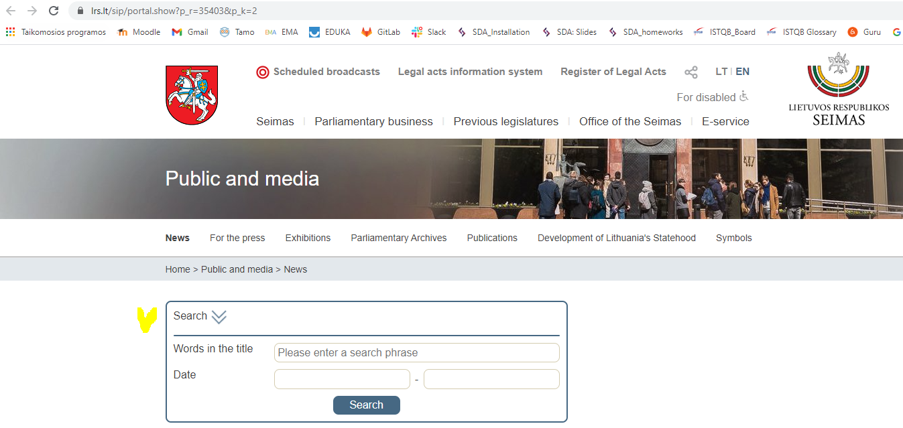
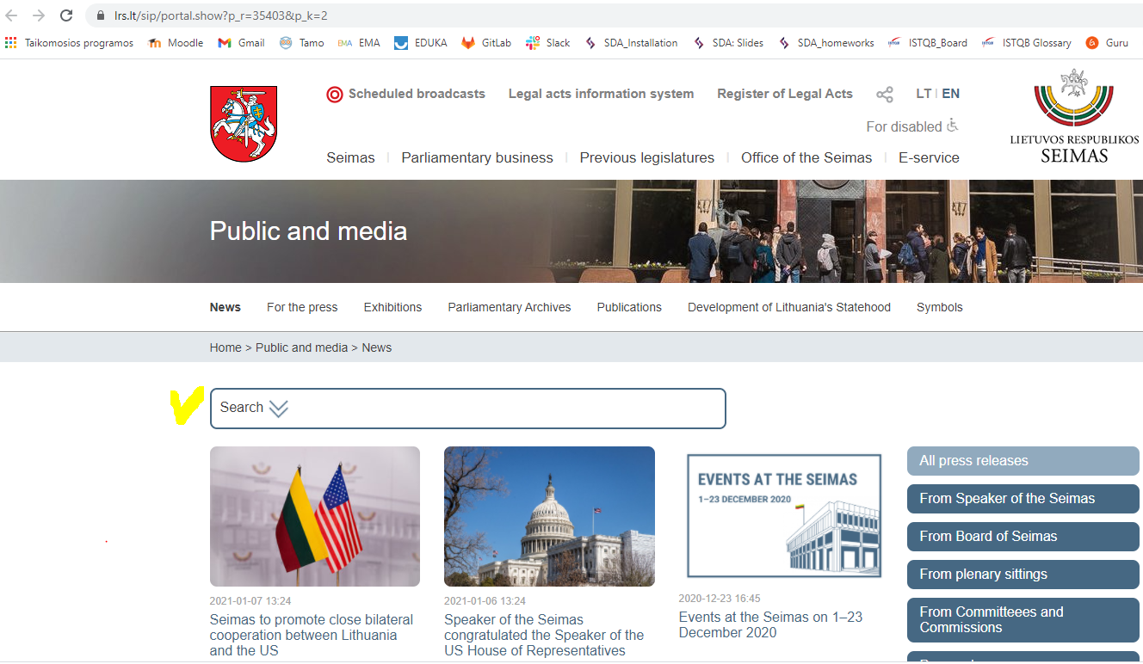
Category | Label | Value
Bug ID | ID number | #123
 | TC number | TC 3
 | Name | Advanced Search box title is not correct
 | Reporter | Jurga
 | Submit Date | 2021-01-09
Bug overview | Summary | The Advanced Search box title should be "Advanced Search" not "Search"
 | URL | https://www.lrs.lt/sip/portal.show?p_r=35403&p_k=2
 | Screenshot | https://www.lrs.lt/sip/portal.show?p_r=35403&p_k=2
Environment | Platform | Microsoft Office
 | Operating system | Windows XP
 | Browser | Chrome
Bug tracking | Severity | Medium
 | Assigned to | /
 | Priority | Medium

Step Nr. | Action | Expected results | Actual results | Satus
step1 | As user enter web page. | Page is loaded. The "Advanced Search" icon is visible on the top of the web page. | Page is loaded. The "Search" icon is visible on the top of the web page. | Failed
step2 | Click on Search icon. | Advanced Search box is opened. The icons "Advanced Search", "Words in the title", "Date" are visible. | Advanced Search box is opened. The icons "Search", "Words in the title", "Date" are visible. | Failed

Bug report556
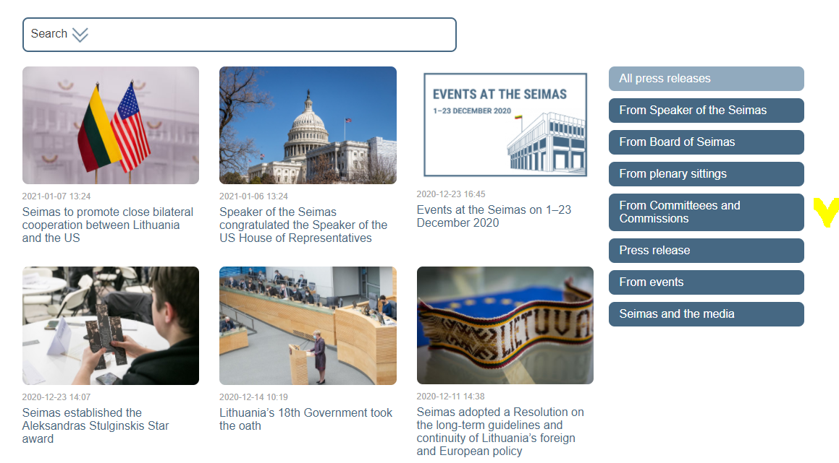
Category | Label | Value
Bug ID | ID number | #556
 | TC number | TC 13
 | Name | Spelling of the title
 | Reporter | Jurga
 | Submit Date | 2021-01-09
Bug overview | Summary | The title of the icon "From Committees and Commissions" has spelling mistake.
 | URL | https://www.lrs.lt/sip/portal.show?p_r=35403&p_k=2
 | Screenshot | https://www.lrs.lt/sip/portal.show?p_r=35403&p_k=2
Environment | Platform | Microsoft Office
 | Operating system | Windows XP
 | Browser | Chrome
Bug tracking | Severity | Medium
 | Assigned to | /
 | Priority | Medium

Step Nr. | Action | Expected results | Actual results | Satus
step1 | As user enter web page. | Page is loaded. The Search icon is visible on the top of the web page. At left side additional icons are visible, including "From Committees and Commissions". | Page is loaded. The Search icon is visible on the top of the web page. At left side icon "From Committeees and Commissions" is visible. | Failed

